Avarage evaluation
KEMI Atlanten |  |  |  |  |  |  |  |  |  |  |  |  |  |  | KEMI Atlanten
KEMI Atlanten |  |  |  |  |  |  |  |  |  |  |  |  |  |  | KEMI Atlanten
SET NAME |  |  |  |  |  |  | Efficacy, pass if >75% more than negative controll |  |  |  |  |  |  |  | SET NAME
A | 36 | 62 | 90 | 122 | 155 | 184 | A | 36 | 62 | 90 | 122 | 155 | 184 |  | A | 0 | 0 | 0 | 0 | 0 | 0
BA1 | 0.3 | 1.6 | 2.2 | 1.4 | 2.0 | 2.2 |  |  |  |  |  |  |  |  | BA1 | 0.0 | 0.0 | 0.0 | 0.0 | 0.0 | 0.0
BA2 | 0.3 | 2.2 | 2.2 | 2.2 | 2.4 | 2.6 |  |  |  |  |  |  |  |  | BA2 | 0.0 | 0.0 | 0.0 | 0.0 | 0.0 | 0.0
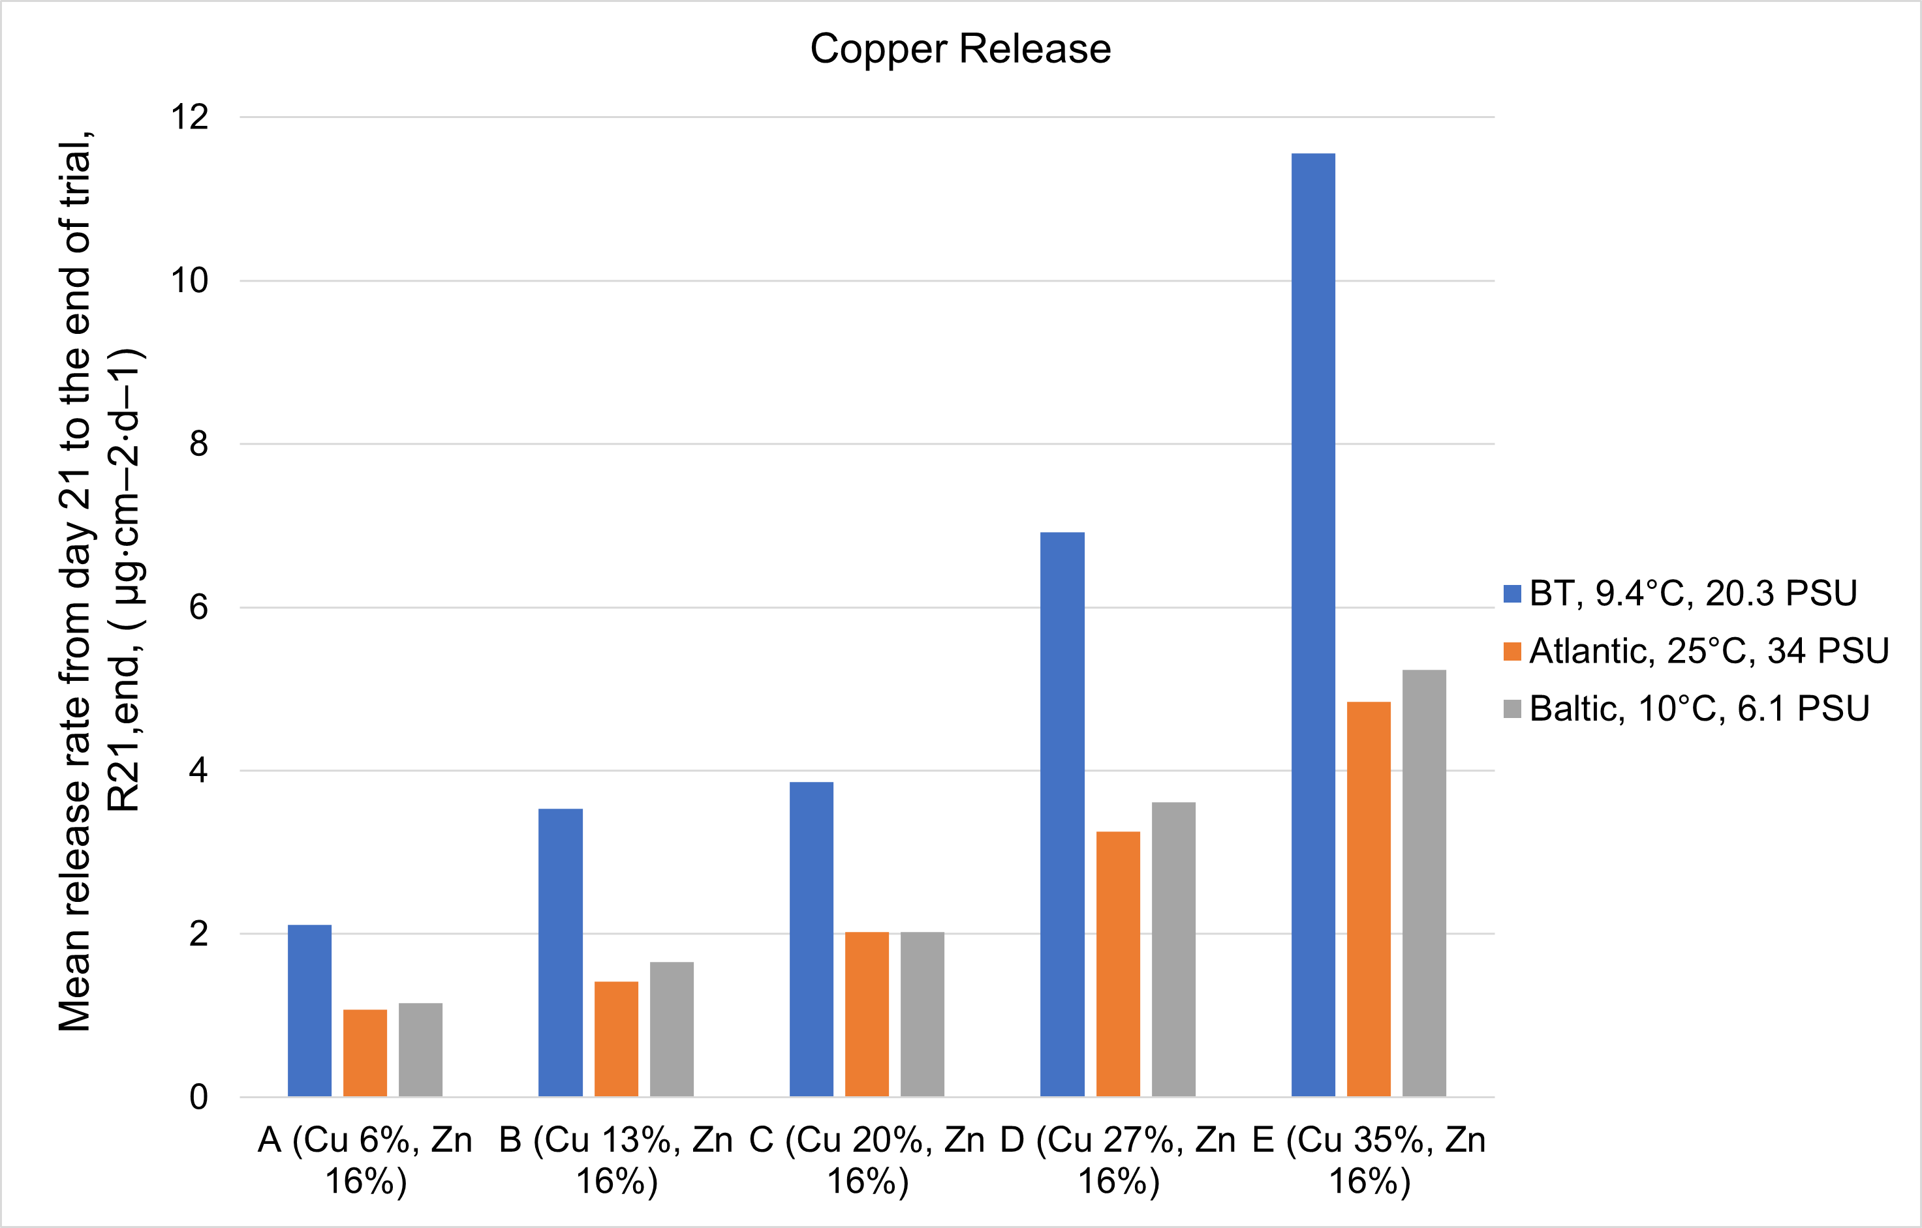
BA3 | 0.4 | 2.0 | 2.2 | 1.6 | 2.0 | 2.2 |  |  |  |  |  |  |  |  | BA3 | 0.0 | 0.0 | 0.0 | 0.0 | 0.0 | 0.0
BA Avg | 0.3 | 1.9 | 2.2 | 1.7 | 2.1 | 2.3 |  | 92.9% | 66.7% | 66.2% | 73.7% | 70.4% | 68.5% |  | BA Avg | 0.0 | 0.0 | 0.0 | 0.0 | 0.0 | 0.0
SDV | 0.0 | 0.2 | 0.0 | 0.3 | 0.2 | 0.2 |  |  |  |  |  |  |  |  | SDV | 0.0 | 0.0 | 0.0 | 0.0 | 0.0 | 0.0

B | 36 | 62 | 90 | 122 | 155 | 184 | B | 36 | 62 | 90 | 122 | 155 | 184 |  | B | 0 | 0 | 0 | 0 | 0 | 0
BB1 | 0.4 | 1.4 | 2.0 | 2.4 | 2.8 | 3.0 |  |  |  |  |  |  |  |  | BB1 | 0.0 | 0.0 | 0.0 | 0.0 | 0.0 | 0.0
BB2 | 0.0 | 2.0 | 2.0 | 0.8 | 1.2 | 1.4 |  |  |  |  |  |  |  |  | BB2 | 0.0 | 0.0 | 0.0 | 0.0 | 0.0 | 0.0
BB3 | 0.2 | 1.2 | 1.8 | 2.0 | 2.4 | 2.6 |  |  |  |  |  |  |  |  | BB3 | 0.0 | 0.0 | 0.0 | 0.0 | 0.0 | 0.0
BB Avg | 0.2 | 1.5 | 1.9 | 1.7 | 2.1 | 2.3 |  | 95.7% | 73.6% | 70.3% | 73.7% | 70.4% | 68.5% |  | BB Avg | 0.0 | 0.0 | 0.0 | 0.0 | 0.0 | 0.0
SDV | 0.2 | 0.3 | 0.1 | 0.7 | 0.7 | 0.7 |  |  |  |  |  |  |  |  | SDV | 0.0 | 0.0 | 0.0 | 0.0 | 0.0 | 0.0

C | 36 | 62 | 90 | 122 | 155 | 184 | C | 36 | 62 | 90 | 122 | 155 | 184 |  | C | 0 | 0 | 0 | 0 | 0 | 0
BC1 | 0.0 | 1.6 | 2.2 | 2.2 | 2.4 | 2.6 |  |  |  |  |  |  |  |  | BC1 | 0.0 | 0.0 | 0.0 | 0.0 | 0.0 | 0.0
BC2 | 0.0 | 1.6 | 2.2 | 1.2 | 1.6 | 1.8 |  |  |  |  |  |  |  |  | BC2 | 0.0 | 0.0 | 0.0 | 0.0 | 0.0 | 0.0
BC3 | 0.4 | 1.8 | 2.2 | 1.8 | 2.4 | 2.6 |  |  |  |  |  |  |  |  | BC3 | 0.0 | 0.0 | 0.0 | 0.0 | 0.0 | 0.0
BC Avg | 0.1 | 1.7 | 2.2 | 1.7 | 2.1 | 2.3 |  | 97.2% | 71.3% | 66.2% | 73.7% | 70.4% | 68.5% |  | BC Avg | 0.0 | 0.0 | 0.0 | 0.0 | 0.0 | 0.0
SDV | 0.2 | 0.1 | 0.0 | 0.4 | 0.4 | 0.4 |  |  |  |  |  |  |  |  | SDV | 0.0 | 0.0 | 0.0 | 0.0 | 0.0 | 0.0

D | 36 | 62 | 90 | 122 | 155 | 184 | D | 36 | 62 | 90 | 122 | 155 | 184 |  | D | 0 | 0 | 0 | 0 | 0 | 0
BD1 | 0.0 | 1.8 | 2.0 | 1.6 | 2.0 | 2.2 |  |  |  |  |  |  |  |  | BD1 | 0.0 | 0.0 | 0.0 | 0.0 | 0.0 | 0.0
BD2 | 0.3 | 1.6 | 2.2 | 1.6 | 2.0 | 2.2 |  |  |  |  |  |  |  |  | BD2 | 0.0 | 0.0 | 0.0 | 0.0 | 0.0 | 0.0
BD3 | 0.4 | 1.6 | 2.2 | 2.2 | 2.6 | 2.8 |  |  |  |  |  |  |  |  | BD3 | 0.0 | 0.0 | 0.0 | 0.0 | 0.0 | 0.0
BD Avg | 0.2 | 1.7 | 2.1 | 1.8 | 2.2 | 2.4 |  | 95.0% | 71.3% | 67.2% | 72.7% | 69.4% | 67.6% |  | BD Avg | 0.0 | 0.0 | 0.0 | 0.0 | 0.0 | 0.0
SDV | 0.2 | 0.1 | 0.1 | 0.3 | 0.3 | 0.3 |  |  |  |  |  |  |  |  | SDV | 0.0 | 0.0 | 0.0 | 0.0 | 0.0 | 0.0

E | 36 | 62 | 90 | 122 | 155 | 184 | E | 36 | 62 | 90 | 122 | 155 | 184 |  | E | 0 | 0 | 0 | 0 | 0 | 0
BE1 | 0.0 | 1.4 | 1.8 | 1.8 | 2.4 | 2.6 |  |  |  |  |  |  |  |  | BE1 | 0.0 | 0.0 | 0.0 | 0.0 | 0.0 | 0.0
BE2 | 0.2 | 1.2 | 1.8 | 2.0 | 2.4 | 2.6 |  |  |  |  |  |  |  |  | BE2 | 0.0 | 0.0 | 0.0 | 0.0 | 0.0 | 0.0
BE3 | 0.0 | 1.0 | 1.8 | 2.0 | 2.4 | 2.6 |  |  |  |  |  |  |  |  | BE3 | 0.0 | 0.0 | 0.0 | 0.0 | 0.0 | 0.0
BE Avg | 0.1 | 1.2 | 1.8 | 1.9 | 2.4 | 2.6 |  | 98.6% | 79.3% | 72.3% | 70.7% | 66.7% | 64.9% |  | BE Avg | 0.0 | 0.0 | 0.0 | 0.0 | 0.0 | 0.0
SDV | 0.1 | 0.2 | 0.0 | 0.1 | 0.0 | 0.0 |  |  |  |  |  |  |  |  | SDV | 0.0 | 0.0 | 0.0 | 0.0 | 0.0 | 0.0

P neg control | 36 | 62 | 90 | 122 | 155 | 184 |  |  |  |  |  |  |  |  | P neg control | 36 | 62 | 90 | 122 | 155 | 184
BP1 | 5.6 | 5.8 | 6.2 | 5.8 | 6.6 | 6.8 |  |  |  |  |  |  |  |  | BP1 | 0.0 | 0.0 | 0.0 | 0.0 | 0.0 | 0.0
BP2 | 3.8 | 5.8 | 6.8 | 7.4 | 7.8 | 8.0 |  |  |  |  |  |  |  |  | BP2 | 0.0 | 0.0 | 0.0 | 0.0 | 0.0 | 0.0
BE Avg | 4.7 | 5.8 | 6.5 | 6.6 | 7.2 | 7.4 |  |  |  |  |  |  |  | MERR >5 | BE Avg | 0.0 | 0.0 | 0.0 | 0.0 | 0.0 | 0.0
SDV | 0.9 | 0.0 | 0.3 | 0.8 | 0.6 | 0.6 |  |  |  |  |  |  |  |  | SDV | 0.0 | 0.0 | 0.0 | 0.0 | 0.0 | 0.0

N pos control | 36 | 62 | 90 | 122 | 155 | 184 |  |  |  |  |  |  |  |  | N pos control | 36 | 62 | 90 | 122 | 155 | 184
BN1 | 3.0 | 4.8 | 5.6 | 6.1 | 5.6 | 6.6 |  |  |  |  |  |  |  |  | BN1 | 0.0 | 0.0 | 0.0 | 0.0 | 0.0 | 0.0
BN2 | 4.2 | 5.8 | 6.4 | 6.4 | 6.8 | 7.0 |  |  |  |  |  |  |  |  | BN2 | 0.0 | 0.0 | 0.0 | 0.0 | 0.0 | 0.0
BN3 | 4.6 | 5.7 | 5.9 | 4.9 | 5.5 | 5.7 |  |  |  |  |  |  |  |  | BN3 | 0.0 | 0.0 | 0.0 | 0.0 | 0.0 | 0.0
BE Avg | 3.9 | 5.4 | 6.0 | 5.8 | 6.0 | 6.4 |  |  |  |  |  |  |  |  | BE Avg | 0.0 | 0.0 | 0.0 | 0.0 | 0.0 | 0.0
SDV | 0.7 | 0.4 | 0.3 | 0.6 | 0.6 | 0.5 |  |  |  |  |  |  |  |  | SDV | 0.0 | 0.0 | 0.0 | 0.0 | 0.0 | 0.0

PLOT
Static Field Test (Brest, FR) Atlantic Ocean
 | P neg control | N pos control | A | B | C | D | E
36 | 4.7 | 3.9 | 0.3 | 0.2 | 0.1 | 0.2 | 0.1
62 | 5.8 | 5.4 | 1.9 | 1.5 | 1.7 | 1.7 | 1.2
90 | 6.5 | 6.0 | 2.2 | 1.9 | 2.2 | 2.1 | 1.8
122 | 6.6 | 5.8 | 1.7 | 1.7 | 1.7 | 1.8 | 1.9
155 | 7.2 | 6.0 | 2.1 | 2.1 | 2.1 | 2.2 | 2.4
184 | 7.4 | 6.4 | 2.3 | 2.3 | 2.3 | 2.4 | 2.6

